Layout
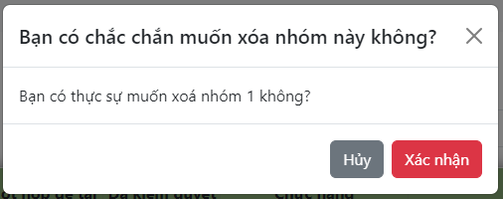
6.7.1 Màn hình hiển thị danh sách nhóm

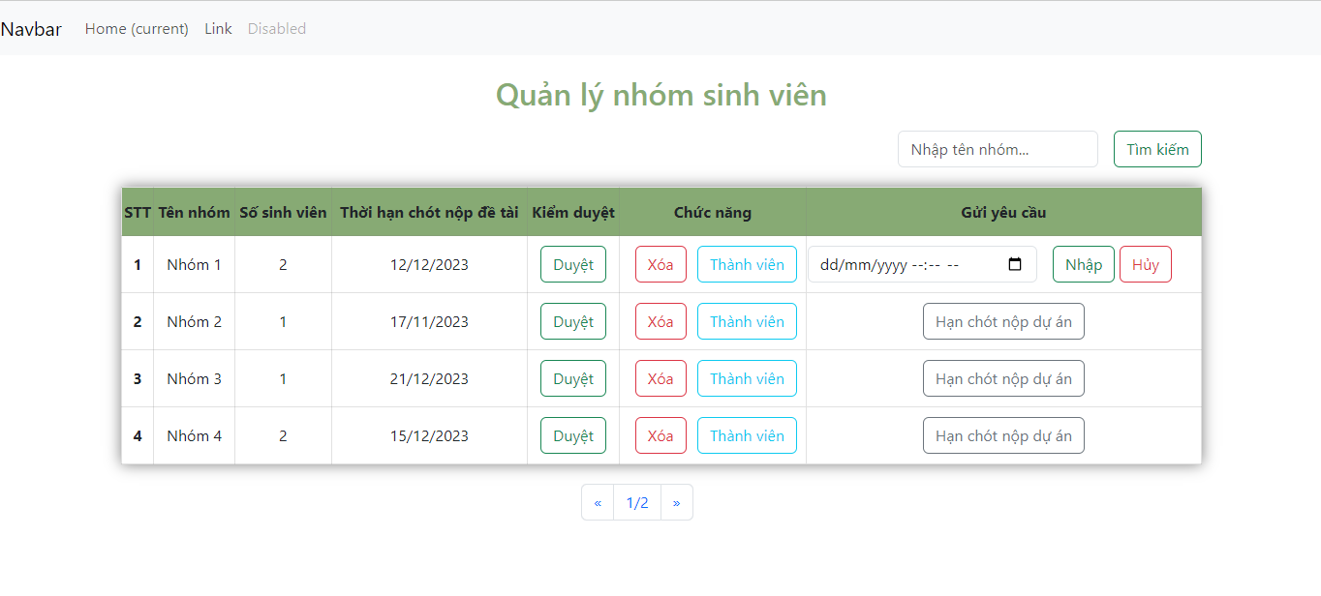

6.7.1.1 Thông báo cho màn hình duyệt nhóm

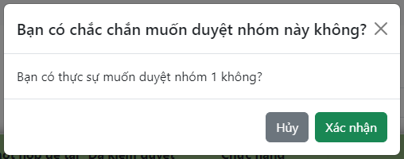

6.7.1.2 Nhập hạn chót nộp dự án
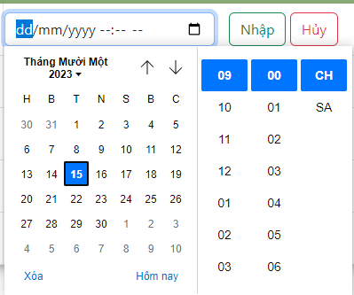

6.7.1.3 Thông báo cho tính năng xoá nhóm

